NR_Example
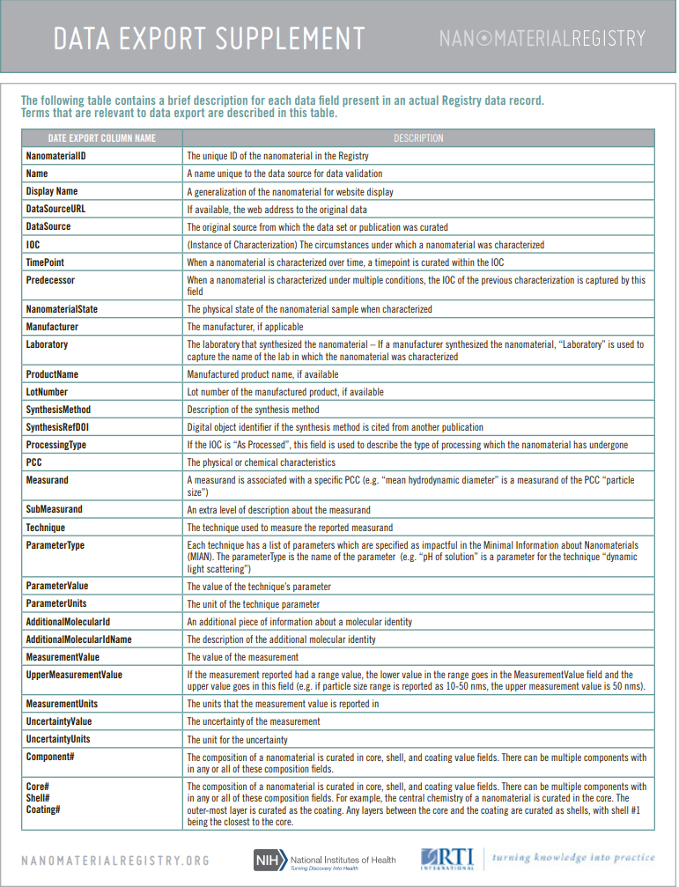
Rows | Descriptors within the dataset | Metric | Descriptors details (details up to 5 descriptors are shown) | Link
2239 rows in the register data based on the type of nanomaterials, in this case we demonstrate the results and the data exported for Metal NPs In this database, the nanomaterials can be browsed by their material type (e.g., metal, metal oxide, carbon, polymer), size (e.g., <25 nm, 25–74 nm, 75–149 nm, 150–300 nm, and >300 nm), shape (1D, 2D, and 3D), or surface area (e.g., <10 m2/g, 10–49 m2/g). | NanomaterialID | Numeric | [1 - 2239] | https://nanomaterialregistry.net/Browse.aspx?category=6&pcname=Material%20Type&issubcategory=0
 | Name | text | NIL1, NIL10, NIL24 ETC.,
 | DisplayName | text | C/Ca/Fe NP, C NP, PtNP, Ag NP, Ni NP etc.,
 | DataSourceURL | text | EXAMPLE: http://nanoparticlelibrary.net/report.asp?ID=1
 | DataSource | text | exampel: Nanoparticle Information Library
 | IOC | text | As Synthesized, received, processed etc/.
 | TimePoint | Numeric and text | Hours and Washes
 | Predecessor | text | As processed A,B,C etc.,
 | NanomaterialState | text | Powder, aerosol, sunspension, not reported
 | Manufacturer | text | example: QuantumSphere, Inc.
 | Laboratory | text | example: Hiroshima University, TOMOE Works Co., Osaka Municipal Technical Research Institute
 | ProductName | text | example: QSI-Nano nickel nanopowder
 | LotNumber | text | example: JME1102
 | SynthesisMethod | text | example, thermal decomposition, base-catalyzed seeded growth using silver salts
 | SynthesisRefDOI | text | example: http://dx.doi.org/10.4053/pr013-100331
 | ProcessingType | text | example: dried
 | PCC | text | Aggregation/Agglomeration State, composition, shape, purity, size distribution etc.,
 | Measurand | text | Molecular Identity, size, modality, mean diameter, pH, etc.,
 | SubMeasurand 1 | text | biologycal type, core, coating, aspect ration etc.,
 | SubMeasurand 2 | text | impurity amount, impurity type, nanomaterial, nanotube,
 | Technique | text | example: Transmission Electron Microscopy, Electron Diffraction
 | ParameterType | text | Sonication/Milling Power, Temperature of Suspension, Dispersing Agent, Algorithm Used etc.,
 | ParameterValue | Numeric and text | Aqueous 2mM Citrate, Use temperature dependent properties of the suspending solvent
 | ParameterUnits | text | mM, kg, nm, mV etc.,
 | AdditionalMolecularId | text | example: 1401-55-4
 | AdditionalMolecularIdName | text | example: CAS #
 | MeasurementValue | Numeric and text | Not Aggregated/Agglomerated, monomodal, tanninc acid, Ag etc.,
 | UpperMeasurementValue | Numeric | [0.6 - 96]
 | MeasurementUnits | text | m^2/g, nm, kg, etc.,
 | UncertaintyValue | Numeric | [0.6 - 100]
 | UncertaintyUnits | text | m^2/(v*s)m nm, mV etc.,
 | Component# | Numeric | [0 - 6]
 | Core# | Numeric | [0 , 1]
 | Shell# | Numeric | [0 , 1, 2]
 | Coating# | Numeric | [0 , 1, 2]

